Instructions
Quiz Event ScoreBoard
This Quiz Scoreboard is copyright © 2007-2026 but may be used free of charge by charities and other not-for-profit voluntary organisations for their fundraising or social Quiz Nights, provided that the credit (bottom left-hand corner, cell A14 of the Scoreboard and bottom row A29 of the Leaderboard) is always kept on display. It may not be used for commercial purposes, eg: being sold, or used by professional quiz-masters or event-managers charging for their services.
The Spreadsheet comes in two layouts: Scoreboard - with quiz rounds in rows and tables/teams in column-headers; Leaderboard - with quiz rounds in columns and tables/teams in rows; Otherwise the two layouts function in a similar way. Both layouts can, optionally, be auto-sorted into score order (Scoreboard highest at the left, Leaderboard highest at the top)
Other than the Quiz Score Cells {Scoreboard B5:AA18, Leaderboard D3:Q28}, all the other cells in this spreadsheet are initially locked (ie: cannot be accessed or altered). That is to prevent the formulae which calculate the total scores being altered inadvertently when the spreadsheet is in use to score a quiz. To unlock the scoreboard to customise it to you own needs, please e-mail enquiries@smallcharitysupport.uk to request the password. This worksheet {Intructions} is permenantly locked for copyright reasons.
Some example quiz-round scores for Quiz-rounds 1-8, have been entered to give you an idea of how the Scoreboard and Leaderboards function when up and running. You can try out the spreadsheet (without needing the password) by entering some example scores of your own if you wish. You can clear those examples to enter your own quiz-round titles and scores by highlighting the relevant cells and pressing "Delete". Do not alter or delete any other cells - particularly those which contain formulae - or the spreadsheet will not work properly. If you should change a cell accidentally either use the 'Undo' icon to reverse the error, or simply abandon your edit and start again.
To Set Up the Spreadsheet for Your Own Quiz First, unlock the Scoreboard and/or Leaderboard workdsheets Note: Scores are NOT duplicated between the two versions - choose either the Scoreboard or Leaderboard to suit your event.
Set Your Own Event Name Go to the top row of the Quiz-scoreboard. Highlight the example title. Overtype it with your own event name. It is recommended that you do not try to alter the formatting of the title (font/colour/etc) unless you are familiar with MS-Excel.
Set Your Own Quiz-Rounds Topics Titles The spreadsheet has, intentionally, been set up with 12 rows for the Quiz-Rounds scores - more than expected to be necessary. Go through each of the example Quiz-Round titles {Scoreboard: Column-A or Leaderboard: Row 2} and replace them with your own titles or Round numbers. DO NOT ADD, MOVE OR DELETE ANY ROWS OR COLUMNS Any rounds which are not needed should just be cleared of any data and hidden from view instead. eg: if your quiz has only 8 rounds, highligh the entire rows/columns for rounds 9-12 {ie: Scoreboard: rows 13-16; Leaderboard: columns M-P} and click on Cells/Format/Visibility/Hide Rows or Columns as appropriate.

Set the Number of Tables/Teams The spreadsheet has, intentionally, been set up with 26 columns/rows for the Tables/Teams - more than expected to be necessary. DO NOT ADD, MOVE OR DELETE ANY COLUMNS OR ROWS Any tables/teams which are not needed should just be cleared of any data and hidden from view instead. eg: if your event has only 10 tables/teams rounds, highlight the entire columns/rows for tables/teams K-Z {ie: Scoreboard: columns L-AA; Leaderboard: rows 13-28} and click on Cells/Format/Visibility/Hide Columns or Rows, as appropriate. Note: The spreadsheet column-letters do NOT match the table/team letters and the row-numbers do not match the quiz round numbers. The width/height of the columns/rows can be altered - larger or smaller - to fit the width/height of the computer/laptop/projector screen.
Scoring For each Quiz-round enter the actual score for each table/team in the corresponding cell in the spreadsheet. DO NOT manually double the score for table/teams which have played their Joker card. NOTE: the spreadsheet DOES NOT currently duplicate scores between the Scoreboard and the Leaderboard worksheets. Scores have to be entered manually into either spreadsheet (or both, if you want to use both layouts at the same time).. Playing the Joker When a table/team plays their Joker, enter the relevant Quiz-Round number into the Joker-Row (Scoreboard: row-4; Leaderboard: column-D). NOTE: DO NOT double the round score when entering the scores for teams/tables which have played their Joker. The spreadsheet will automatically highlight the relevant Quiz-Round/Table/team cell and double the score entered into that cell when calculating the running totals for each table/team. (See the example scores in the scoreboard). Note: The Joker card facility should NOT be applied to the Marathon rounds.
Running Score Totals As the Quiz-Rounds progress and the scores are entered, the running total for each Table/Team is calculated automatically - in row-19 at the bottom of the Scoreboard and in column-C at the left of the Leaderboard. The Table(s)/Team(s) with the highest running total(s) is(are) automatically highlighted. REMINDER: The running total automatically includes the doubling of the points for the Quiz-Round in which the Table/Team played its Joker. Tables/Teams which have played their Joker are also highlighted in the duplicate Table/Team letters in row-20 at the bottom of the ScoreBoard, and in column-A of the Leaderboard.
Adjusting the Scoreboard and Leaderboard
After the scores have been entered for each round, if desired both the Scoreboard and the Leaderboard can be automatically adjusted so that the Teams/Tables are re-organised in descending order based on their current score - highest scoring Table/Team at the left (Scorebards) or top (Leaderboard). Click on the Range-Name cell {immediately above column-A - see illustration, right} and select Scoreboard or LeaderBd as appropriate. This will highlight all the cells B2-AA19 (Scoreboard) or A2:Q28 (Leaderboard). Then click on "Data/Sort" in the main menu. The Sort has been pre-set to sort all the data in descending order using the Tables/Teams current scores in Row-18 (Scoreboard) or Column-C (Leaderboard), putting the highest scores at the top to the lowest scores at the bottom. | 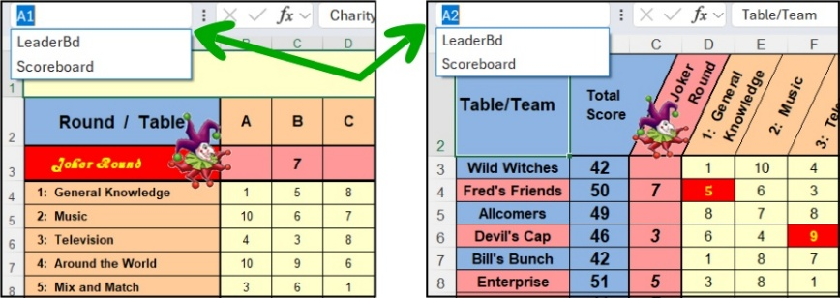

Displaying the Scores during the Event The spreadsheet has been designed to allow the scores for previous rounds to be displayed (eg: projected on a screen for all to see) as the quiz progresses. If your QuizMaster also displays the questions during the rounds, why not invest in the modest cost (ca.£10) of a bi-directional HDMI switch (like the one illustrated right). Then you can use two laptops/computers (one displaying the next round of questions while the scores of the previous rounds are being entered into the other) and with the "click of a switch" you can quickly show the participants how they are getting on without having to fiddle with changing leads to the projector. | 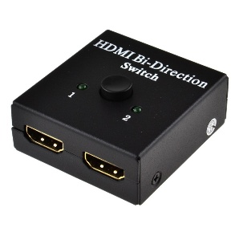
Last updated 8-March-2026
© 2017-2026 Small Charity Support - Commercial use not allowed

